1
DNS Server Setup on RHEL 10.2 and understand the components & changes
Steps to DNS Server Set up
Step 1. Install DNS Package
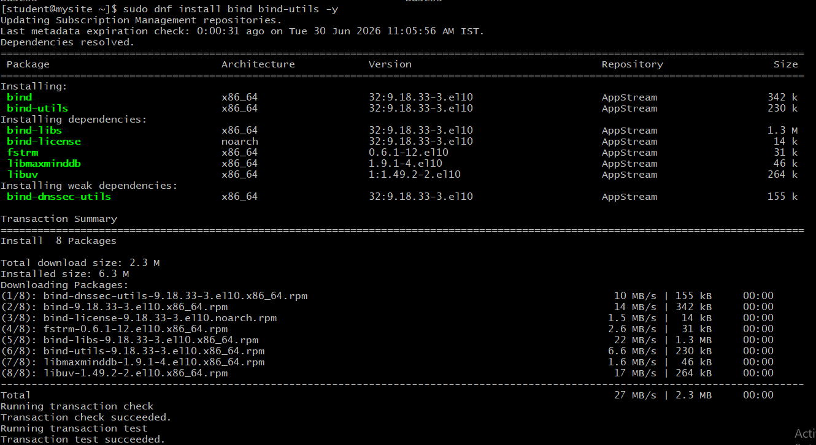
Step 2. Start DNS Service

Step 3. Modify DNS Configuration

Step 4. Set Permissions

Step 5. Check Configuration

Step 6. Restart DNS & Open Firewall

Step 7. Test
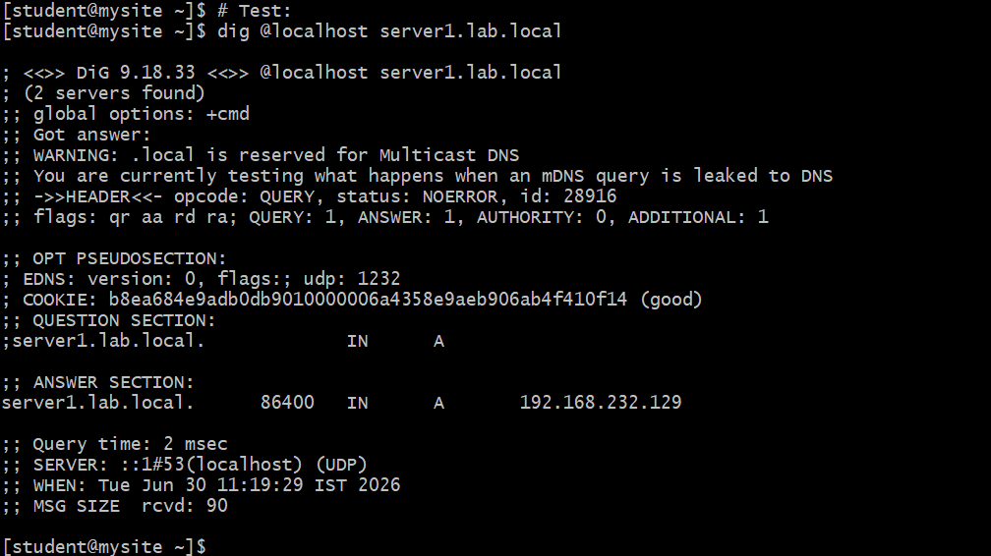
$TTL 86400
@ IN SOA dns.lab.local. root.lab.local. (
2025062901
3600
1800
604800
86400 )

@ IN NS dns.lab.local.
dns IN A 192.168.0.103
server1 IN A 192.168.0.103
client1 IN A 192.168.0.104

1. $TTL 86400

$TTL 86400

TTL = Time To Live

Purpose:

Defines how long DNS records remain cached before clients ask the DNS server again.

Value:

86400 seconds = 24 hours

Meaning:

If a client resolves server1.lab.local, it stores the result for 24 hours.

2. SOA (Start of Authority)

@ IN SOA dns.lab.local. root.lab.local. (

SOA contains information about the DNS zone.

Breakdown:

@

Represents the current domain (lab.local)

IN

Internet class

SOA

Start Of Authority record

dns.lab.local.

Primary DNS server for this zone

root.lab.local.

Administrator email address

Normally email:

root@lab.local

In zone files:

root.lab.local.

(@ is replaced by a dot)

SOA Parameters

2025062901

Serial Number

Purpose:

Identifies version of zone file.

Format often used:

YYYYMMDDNN

Example:

2025062901

2025 = year
06 = month
29 = day
01 = revision number

Whenever you modify zone records:

server2 IN A 192.168.0.105

Increase serial:

2025062902

Otherwise DNS may not reload changes.

3600

Refresh

Purpose:

Time after which secondary DNS checks for updates.

3600 sec = 1 hour

1800

Retry

Purpose:

If update fails, secondary server retries after:

1800 sec = 30 minutes

604800

Expire

Purpose:

Secondary server discards zone data if it cannot contact primary server.

604800 sec = 7 days

86400

Minimum TTL

Purpose:

Default cache duration for negative responses.

86400 sec = 24 hours

3. NS Record (Name Server)

@ IN NS dns.lab.local.

Purpose:

Defines the authoritative DNS server.

Meaning:

lab.local uses dns.lab.local as DNS server

4. A Record (Address Record)

dns IN A 192.168.0.103

Purpose:

Maps hostname → IP address

Meaning:

dns.lab.local → 192.168.0.103

Testing:

dig dns.lab.local

server1 IN A 192.168.0.103

Meaning:

server1.lab.local → 192.168.0.103

Testing:

dig server1.lab.local

Output:

server1.lab.local IN A 192.168.0.103

client1 IN A 192.168.0.104

Meaning:

client1.lab.local → 192.168.0.104

Testing:

dig client1.lab.local

Visual flow

Client Request
|
| server1.lab.local ?
↓
DNS Server (named)
|
| checks zone file
↓
server1 IN A 192.168.0.103
|
↓
Returns: 192.168.0.103

This explanation is usually enough for a practical exam or viva because it covers both the syntax and purpose of each DNS component.

